IfU Label Definition
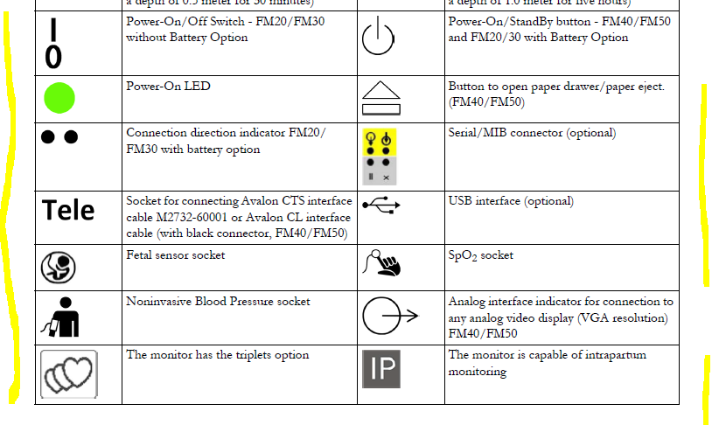
Country Device Label Matrix AVALON IFU (AV_IFU_xxx_L3) |  |  |  |  |  | AV_IFU_xxx_L3
Requirement driven by (standard, Philips, country-specific regulation, etc.) | Country or general | Symbol-ID | Symbol Symbol + Text Text Only | Symbol Name | addtl. Info | Text | Location on IfU | EEA MDR | UK | Switzerland | USA | Canada | Japan | Australia NZ | Brazil | other countries not listed here | Country with documentation language English | Country with other documentation language
Learning Prod | n/a | Philips | General | LS-100012 |  | Wordmark | Last Page |  |  |  |  |  |  |  |  |  |  |  | TBD - to be definded/ Follow Up due new IFU Revision
Philips | General | LS-100011 |  | Shield | n/a | tbd | Last Page
REG | EEA | LS-100005 |  | CE-Marking NB MDD TUV Sued | tbd | tbd | Last Page
REG-20417/15223 | General | LS-00M002 |  | Read IfU | n/a | n/a | Symbols on the system
REG-20417/15223 | General | LS-001641 |  | Consult instructions for use | n/a | n/a | Symbols on the system
n/a | all | Combination of LS-00M002 LS-100079 LS-100080 |  | Consult instructions for use | Combination of different implemented symbols | n/a | Symbols on the system
n/a | all | LS-100079 |  | Philips Fetal Monitor FM20/30 |  |  | Symbols on the system
n/a | all | LS-100080 |  | Philips Fetal Monitor FM40/50 |  |  | Symbols on the system
REG-20417/15223 | General | LS-013500 |  | Electronic instructions for use |  |  | Symbols on the system
REG-20417/15223 | General | LS-000434 |  | Caution A |  |  | Symbols on the system
REG-FDA | USA | LS-100158 |  | Prescription Device |  |  | Symbols on the system
 |  | LS-005021 |  | Equipotentiality |  |  | Symbols on the system
USAB | all | LS-005019 |  | Protective earth |  |  | Symbols on the system
USAB | all | LS-005335 |  | Type CF applied part |  |  | Symbols on the system
 |  | LS-005172 |  | Class II equipment |  |  | Symbols on the system
USAB | all | LS-005333 |  | Type BF applied part |  |  | Symbols on the system
REG- 62570 | all | LS-057410 |  | MR unsafe |  |  | Symbols on the system
REG | EEA | LS-005140 |  | Non-Ionizing Radiation |  |  | Symbols on the system
REG-20417/15223 | General | LS-000632 |  | Temperature limit |  |  | Symbols on the system
REG-20417/15223 | General | LS-002620 |  | Humidity limitation |  |  | Symbols on the system
REG-20417/15223 | General | LS-002621 |  | Atmospheric pressure limitation |  |  | Symbols on the system
ENV | General | LS-000626 |  | Keep away from rain |  |  | Symbols on the system
REG-20417/15223 | General | LS-002794 |  | Packaging unit |  |  | Symbols on the system
REG | General | Text only | IPXX | Ingress Protection | text based |  | Symbols on the system
USAB | all | TBD |  | Power-On/Off Switch - FM20/FM30 without Battery Option |  |  | Symbols on the system
USAB | all | LS-005009 |  | Stand-by |  |  | Symbols on the system
TBD | TBD | TBD |  | Power-On LED |  |  | Symbols on the system
TBD | TBD | TBD |  | Button to open paper drawer/paper eject |  |  | Symbols on the system
TBD | TBD | TBD |  | Connection direction indicator |  |  | Symbols on the system
TBD | TBD | TBD |  | Serial/MIB connector (optional) |  |  | Symbols on the system
TBD | TBD | TBD |  | Socket for connecting Avalon CTS interface cable M2732-60001 |  |  | Symbols on the system
USAB | all | LS-050001 |  | USB 2.0 Icon |  |  | Symbols on the system
USAB | all | TBD |  | Fetal sensor socket |  |  | Symbols on the system
USAB | all | LS-100047 |  | SpO2 Measurement |  |  | Symbols on the system
USAB | all | LS-100048 |  | BloodPressure - nonInvasive |  |  | Symbols on the system
USAB | all | LS-005035 |  | Output (electr.) |  |  | Symbols on the system
USAB | all | TBD |  | Triplets option |  |  | Symbols on the system
USAB | all | TBD |  | The monitor is capable of intrapartum monitoring |  |  | Symbols on the system
USAB | all | TBD |  | Mouse connection indicator |  |  | Symbols on the system
USAB | all | TBD |  | Keyboard connection indicator |  |  | Symbols on the system
REG-20417 | General | LS-003082 + Text |  | Manufacturer |  |  | Symbols on the system
REG-20417/15223 | General | LS-006049 + Text |  | Country of Manufacture + date of manufacture |  |  | Symbols on the system
 |  | LS-100073 |  | Storage |  |  | Symbols on the system
 |  | LS-100074 |  | Transport A to B |  |  | Symbols on the system
REG-20417/15223 | General | LS-050512 |  | EU Representative |  |  | Symbols on the system
REG-20417/15223 | General | LS-002498 + Text |  | Serial Number |  |  | Symbols on the system
REG-20417/15223 | General | LS-002493 + Text |  | Catalog Number |  |  | Symbols on the system
REG-20417/15223 | General | LS-002492 + Text |  | Batch Code LOT |  |  | Symbols on the system
REG-20417/15223 | General | LS-006050 + Text |  | Model Number |  |  | Symbols on the system
REG-20417/15223 | General | LS-100062 |  | UDI Identifier |  |  | Symbols on the system
REG-20417/15223 | General | LS-100069 |  | Medical Device Symbol |  |  | Symbols on the system
REG-20417 | General | 2D Datamatrix |  | GS1 Data Matrix |  |  | Symbols on the system
Philips | General | LS-100031 + Text |  | Service Number |  |  | Symbols on the system
REG-15223 | EEA | LS-006414 |  | WEEE wheelie bin |  |  | Symbols on the system
REG-20417/15223 | General | LS-002607 |  | Use by date |  |  | Symbols on the system
REG-20417/15223 | General | LS-001051 |  | Do not re-use |  |  | Symbols on the system
USAB | all | LS-000545 |  | Latex-free |  |  | Symbols on the system
 |  | LS-010545 |  | DEHP-free |  |  | Symbols on the system
REG | EU+EEA | LS-100005 |  | CE Mark with Notified Body TUEV SUED |  |  | Symbols on the system
REG | USA Canada | LS-100002 |  | CSA Mark |  |  | Symbols on the system
REG | Belarus Kazakh Russia | LS-100033 |  | EAC Mark |  |  | Symbols on the system
ENV | China | LS-100006 |  | China RoHS 50 |  |  | Symbols on the system
REG | EU+EEA | LS-100004 |  | CE-Mark |  |  | Symbols on the system
 |  | LS-100161 |  | General symbol for recovery/recyclable |  |  | Symbols on the system
 | China | LS-100037 |  | China No Mercury Labeling |  |  | Symbols on the system
REG | Taiwan | LS-100036 |  | Taiwan-Battery-labeling |  |  | Symbols on the system
REG | Australia NZ | LS-100016 |  | RCM Mark |  |  | Symbols on the system
 |  | TBD |  | Federal Communications Commission FCC ID xxxx |  |  | Symbols on the system
REG | China | TBD |  | Chinese Radio marking: CMIIT ID |  |  | Symbols on the system
REG | Canada | TBD |  | Compliance with Canadian ICES-001 |  |  | Symbols on the system
REG |  | TBD |  | Industrial, Scientific, & Medical radio frequency band |  |  | Symbols on the system
REG | Japan | TBD |  | Association Of Radio Industries And Businesses T108 |  |  | Symbols on the system
REG |  | TBD |  | Wireless Medical Telemetry Service ( |  |  | Symbols on the system
REG | Canada | TBD |  | IC-ID (Industry Canada ID) |  |  | Symbols on the system
REG | Japan | LS-100008 | plus Text | MIC Label |  |  | Symbols on the system
REG | Taiwan | LS-100015 + Text |  | NCC Mark |  |  | Symbols on the system
REG | Korea | LS-100009 | plus Text | KC Mark |  |  | Symbols on the system
TBD | TBD | TBD |  |  |  |  | Recorder Symbols
REG | all | LS-005319 |  | Alarm inhibit |  |  | Recorder Symbols
TBD | TBD | TBD |  | FMP detection is on |  |  | Recorder Symbols
TBD | TBD | TBD |  | Beginning of the date/time annotation |  |  | Recorder Symbols
REG-20417/15223 | General | LS-000434 |  | Caution A |  |  | Recorder Symbols
TBD | General | LS-003600 |  | Wireless communications |  |  | Recorder Symbols
REG | all | LS-100043 |  | Philips SRR |  |  | Recorder Symbols
TBD | TBD | TBD |  | Measurement from cableless devices connected via WLAN |  |  | Recorder Symbols
TBD | TBD | TBD |  | Pulse from SpO2 |  |  | Recorder Symbols
TBD | TBD | TBD |  | Pulse from Toco+ MP |  |  | Recorder Symbols
USAB | all | LS-100048 |  | BloodPressure - nonInvasive |  |  | Recorder Symbols
TBD | TBD | TBD |  | Trace separation +20 bpm (in label) |  |  | Recorder Symbols
TBD | TBD | TBD |  | Trace separation -20 bpm (in label) |  |  | Recorder Symbols
TBD | TBD | TBD |  | Trace separation Off (in trace) |  |  | Recorder Symbols
TBD | TBD | TBD |  | Trace separation +20 bpm (in trace) |  |  | Recorder Symbols
TBD | TBD | TBD |  | Trace separation -20 bpm (in trace) |  |  | Recorder Symbols
TBD | TBD | TBD |  | Trace separation +20 bpm and -20 bpm (in trace) |  |  | Recorder Symbols
TBD | TBD | TBD |  | Coincidence of heart rates is detected |  |  | Recorder Symbols
TBD | TBD | TBD |  | Marker |  |  | Recorder Symbols
TBD | TBD | TBD |  | Special wave, with different speed and scale |  |  | Recorder Symbols

Note 1: Beside the information above symbols used in product label definition and packaging label information need to be added and described in the Symbol Glossary in the Instruction for Use
Note 2: 20417 6.1.6 f) Safety signs, including any supplementary symbol or text: 1) shall be explained in the instructions for use; and 2) if colour is not utilized in the instructions for use, the colour of the safety sign shall be described in the instructions for use.

